EMSD Data
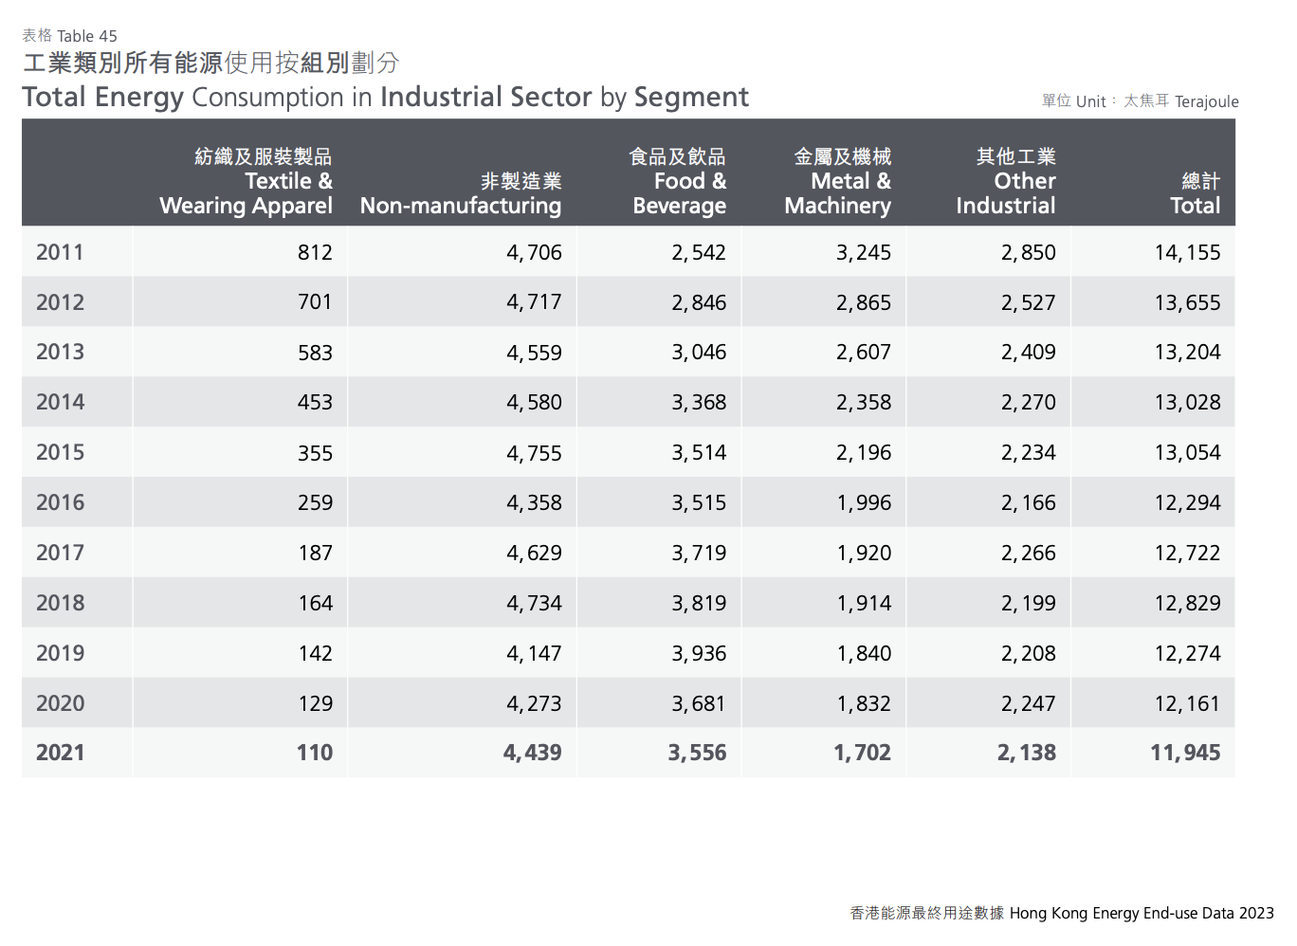
All energy consumption
 |  |  |  |  |  |  | Trend:
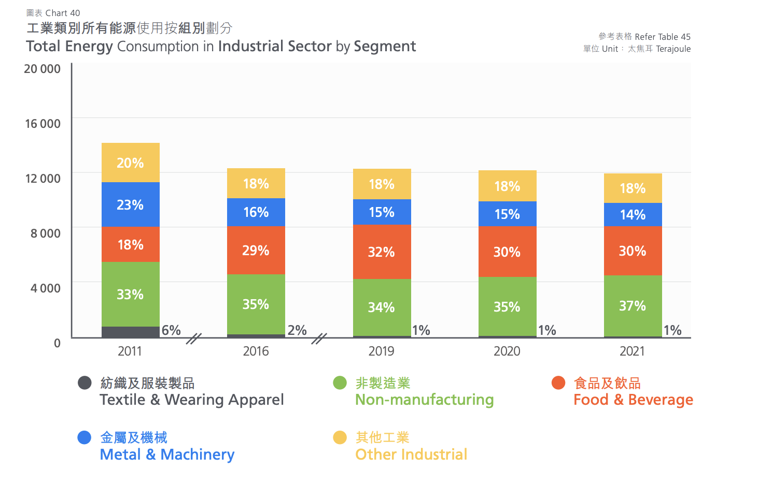

 |  |  |  |  | 14155
 |  |  |  |  | 13655
 |  |  |  |  | 13204
 |  |  |  |  | 13028
 |  |  |  |  | 13054
 |  |  |  |  | 12294
 |  |  |  |  | 12722
 |  |  |  |  | 12829
 |  |  |  |  | 12274
 |  |  |  |  | 12161
 |  |  |  |  | 11945

 |  | all industries in Btu 2021: |  | 1.1321674994E+13

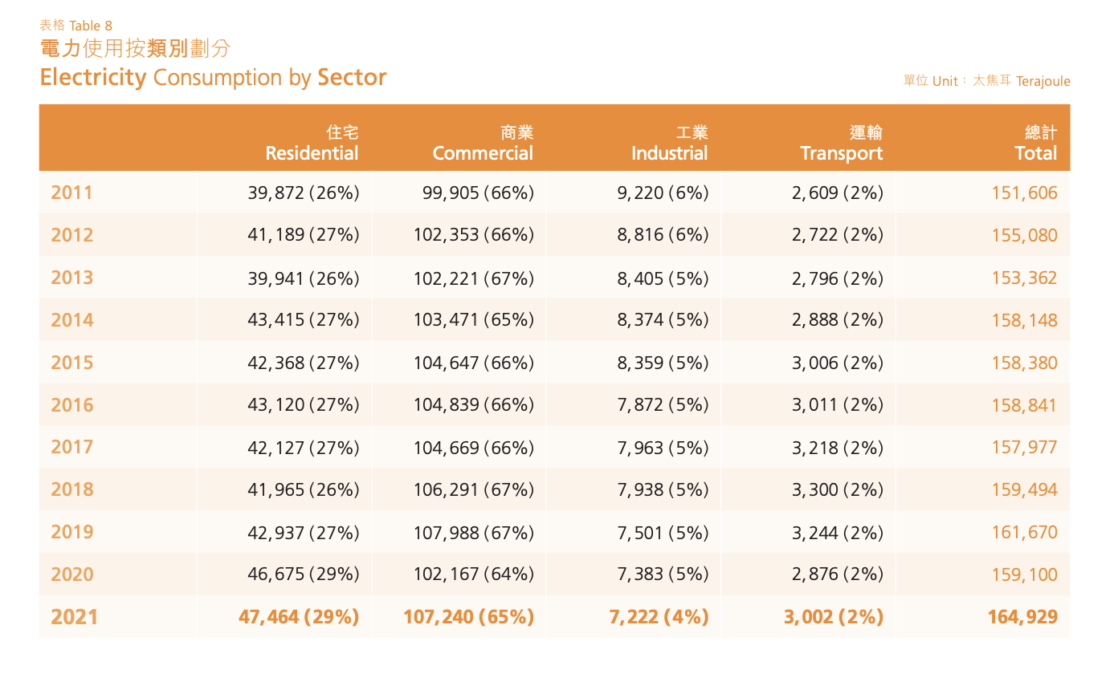
Electricity consumption
 |  |  |  |  |  |  |  | The downward trend seems to have slowed in recent years.

 |  |  |  |  |  |  |  | perc. Decrease per year: |  | 0.57%

 |  |  |  |  |  |  |  | we assume the percentage decrease per year is split homogenously across all energy sources.

 |  |  |  |  | 2021 | 7222

 |  |  |  |  | 2021, in Btu: |  | 6.8451349355E+12

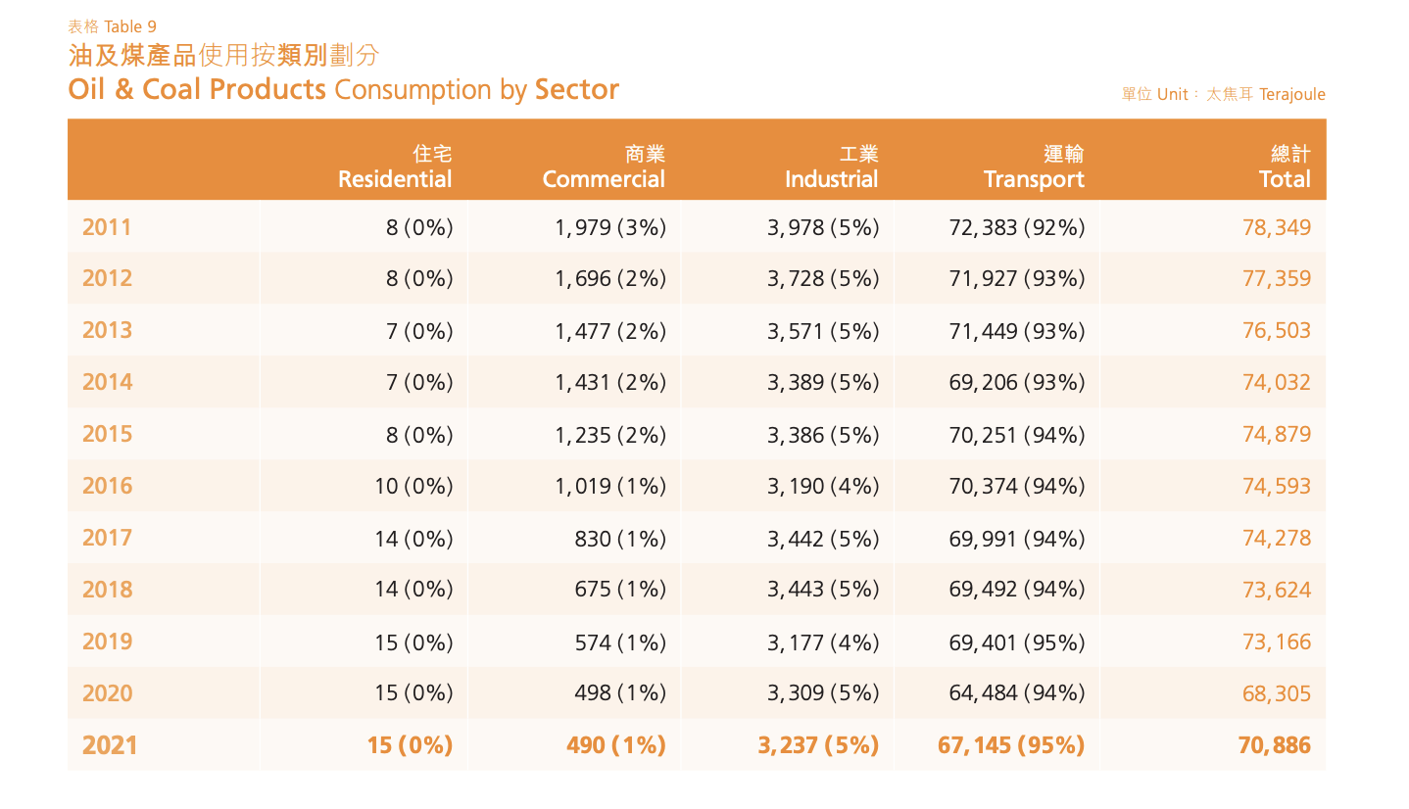
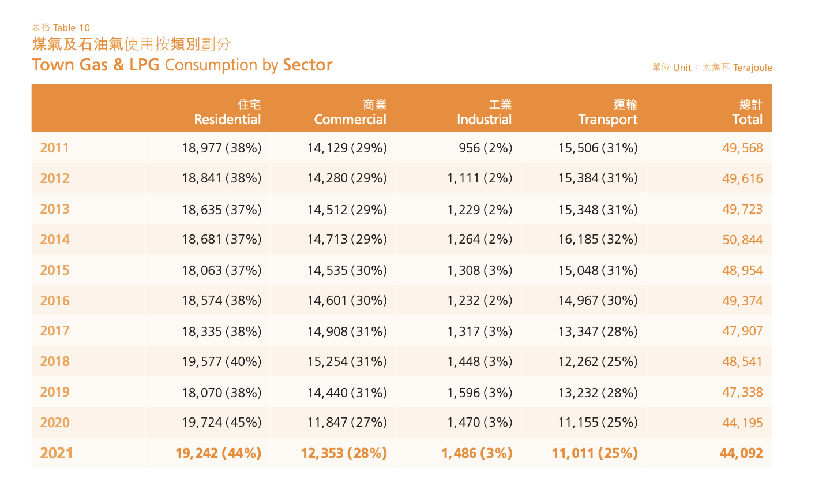
Oil & Coal: |  |  |  |  | Town Gas & LPG:

 | 2021 | 3237 | 2020, in Btu: | 3.0680838807E+12
 |  |  |  |  |  |  |  |  | 2021, in Btu: | 1.4084561775E+12 | 2021 | 1486

Note: | we assume all energy use from this category to be in the petroleum-diesel category of the EPS, since there is very little heavy industry which would use coal

